TASK1.Q3.A
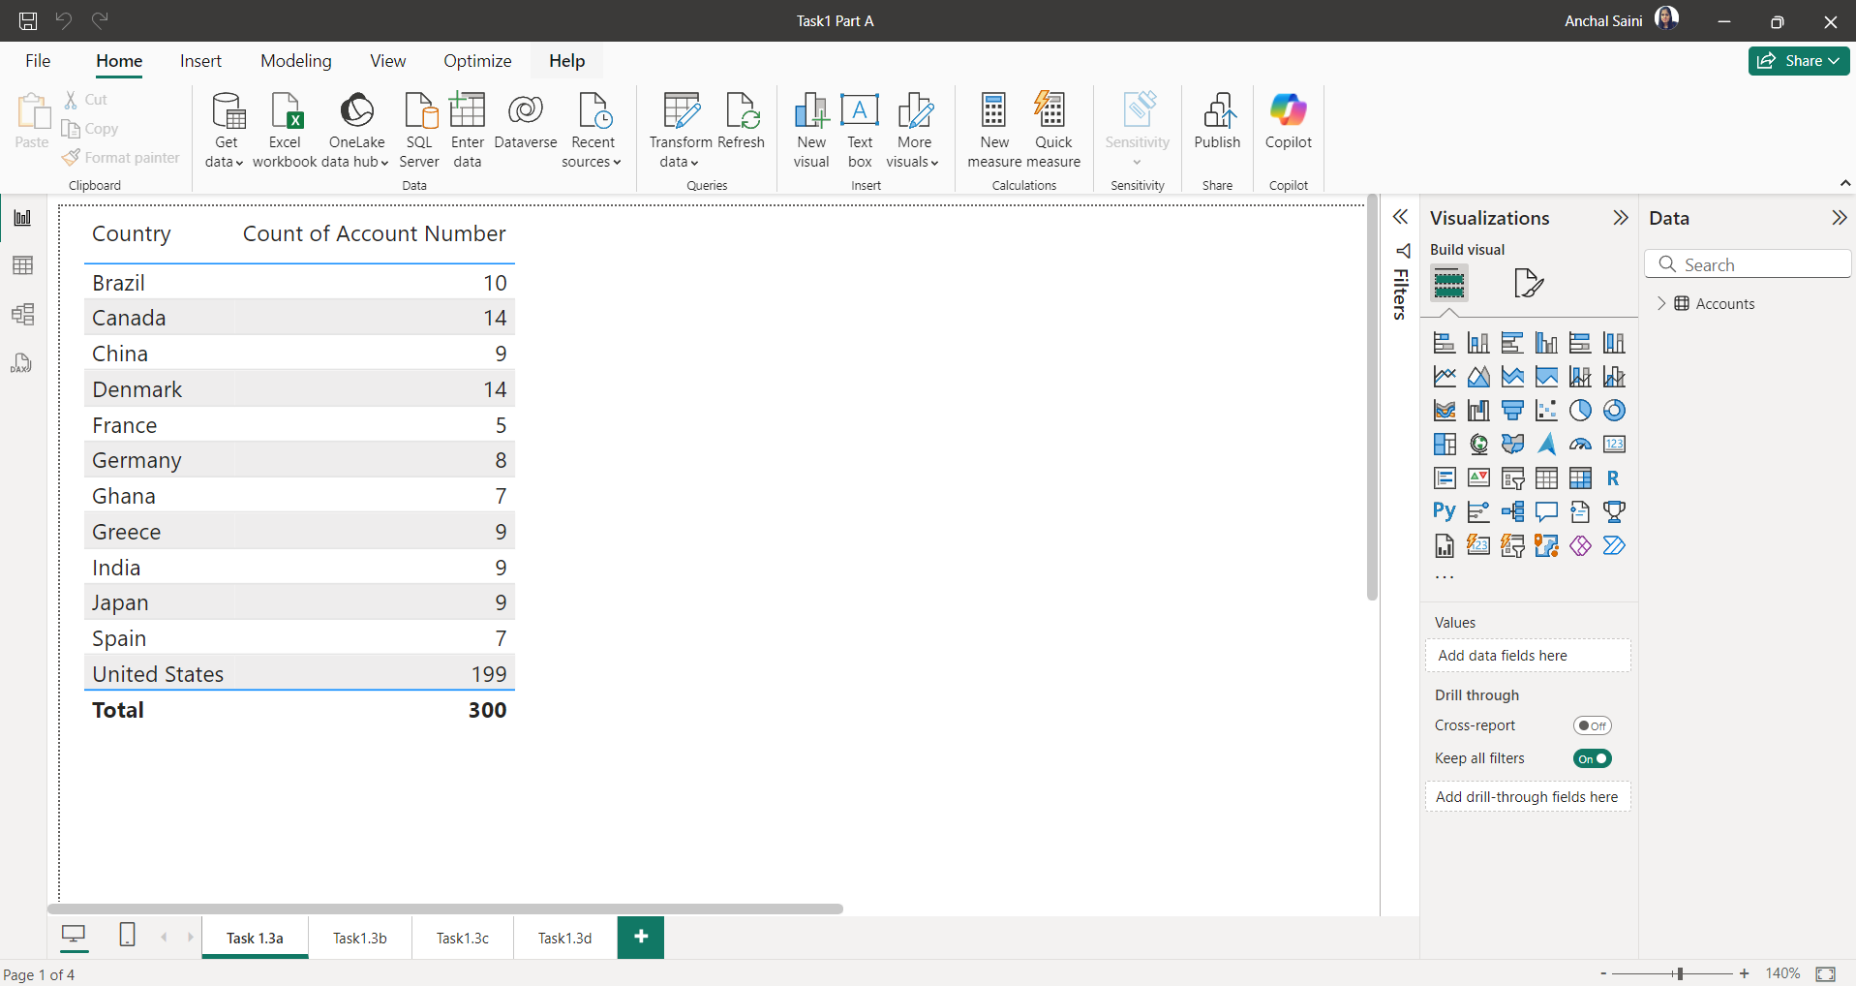
A.Represent the data, which includes the total count of account numbers against the country, in a tabular format.

Task1.Q3.B
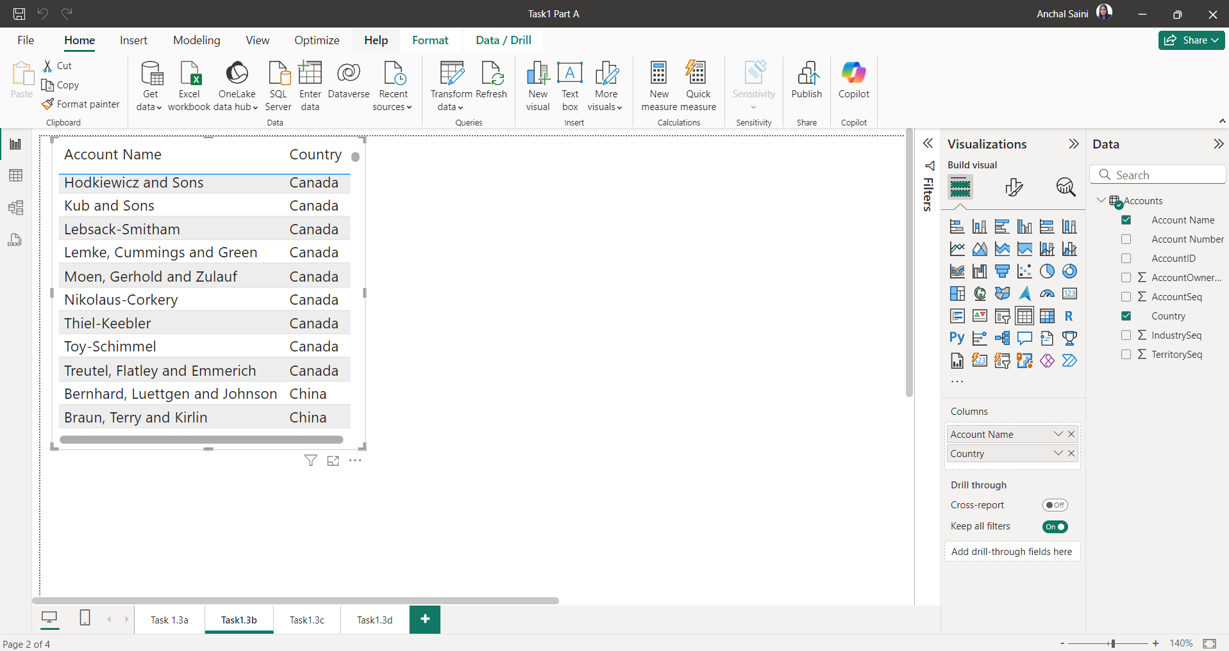
B.Insert another table and represent the data on the country-wise Account holder's name.

TASK1.Q3.C
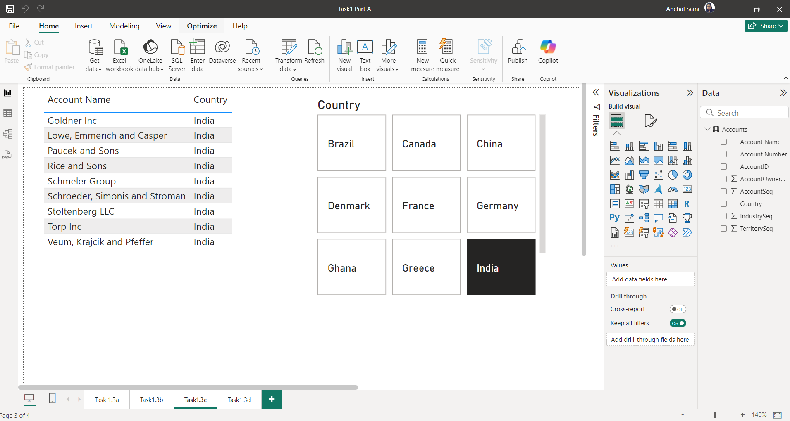
C.Insert a slicer from the visualisation section and add a country-wise filter.

TASK1.Q3.D
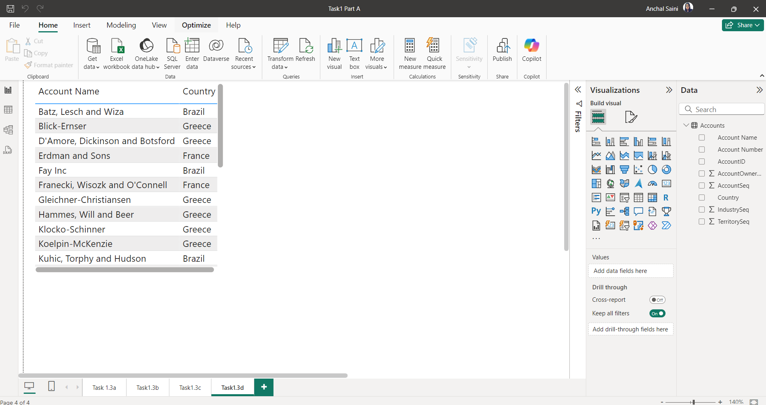
D.Represent the data of India, Brazil, Greece, and France together

TASK2.Q2A
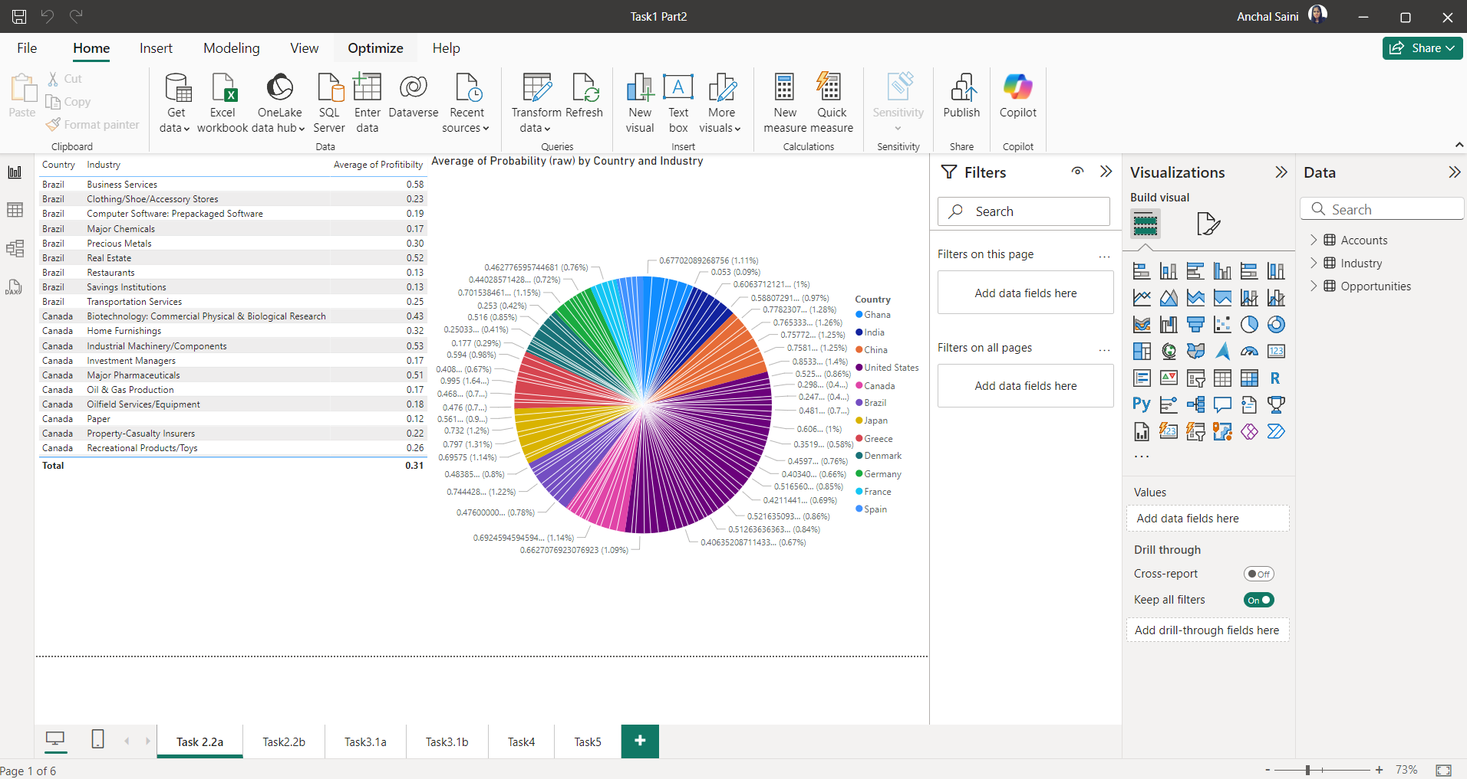
A.Country-wise industry and average profitability margin (in Percentage %)

TASK2.Q2B
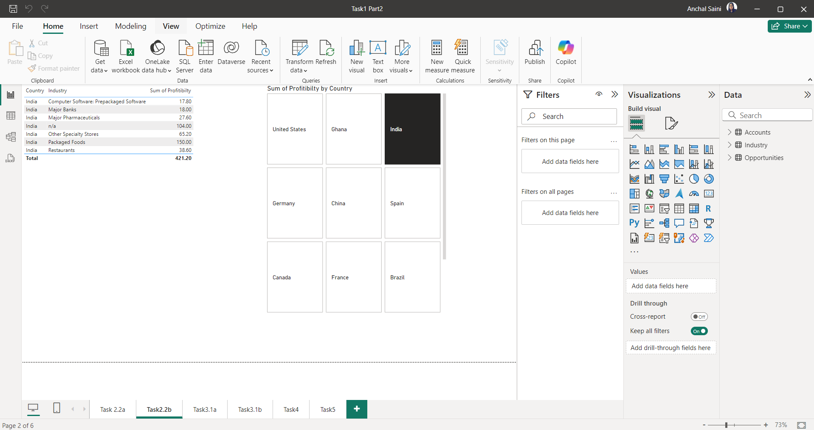
B.Add a separate filter so that country-wise industry and profitability margins can be shown based on the selective countries (There is no bar on country selection)

TASK2.Q3A
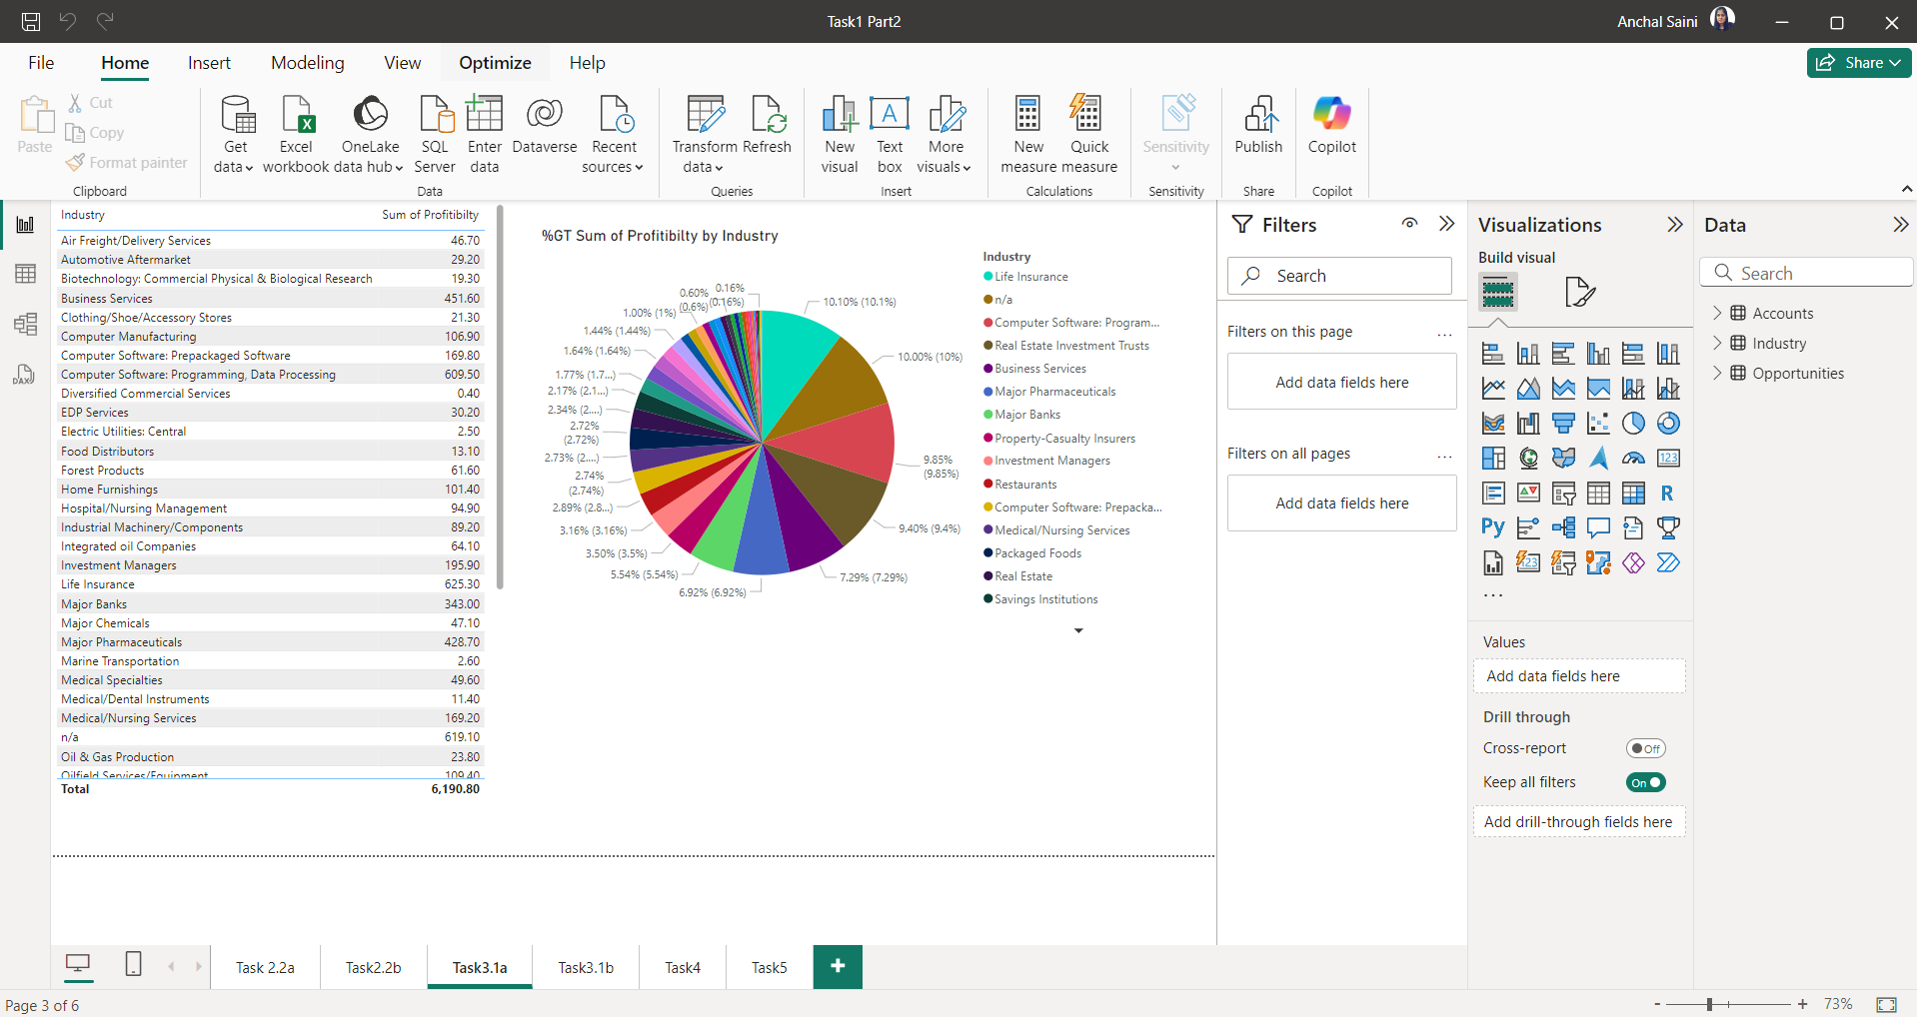
A.Industry-wise profitability percentage

TASK2.Q3B
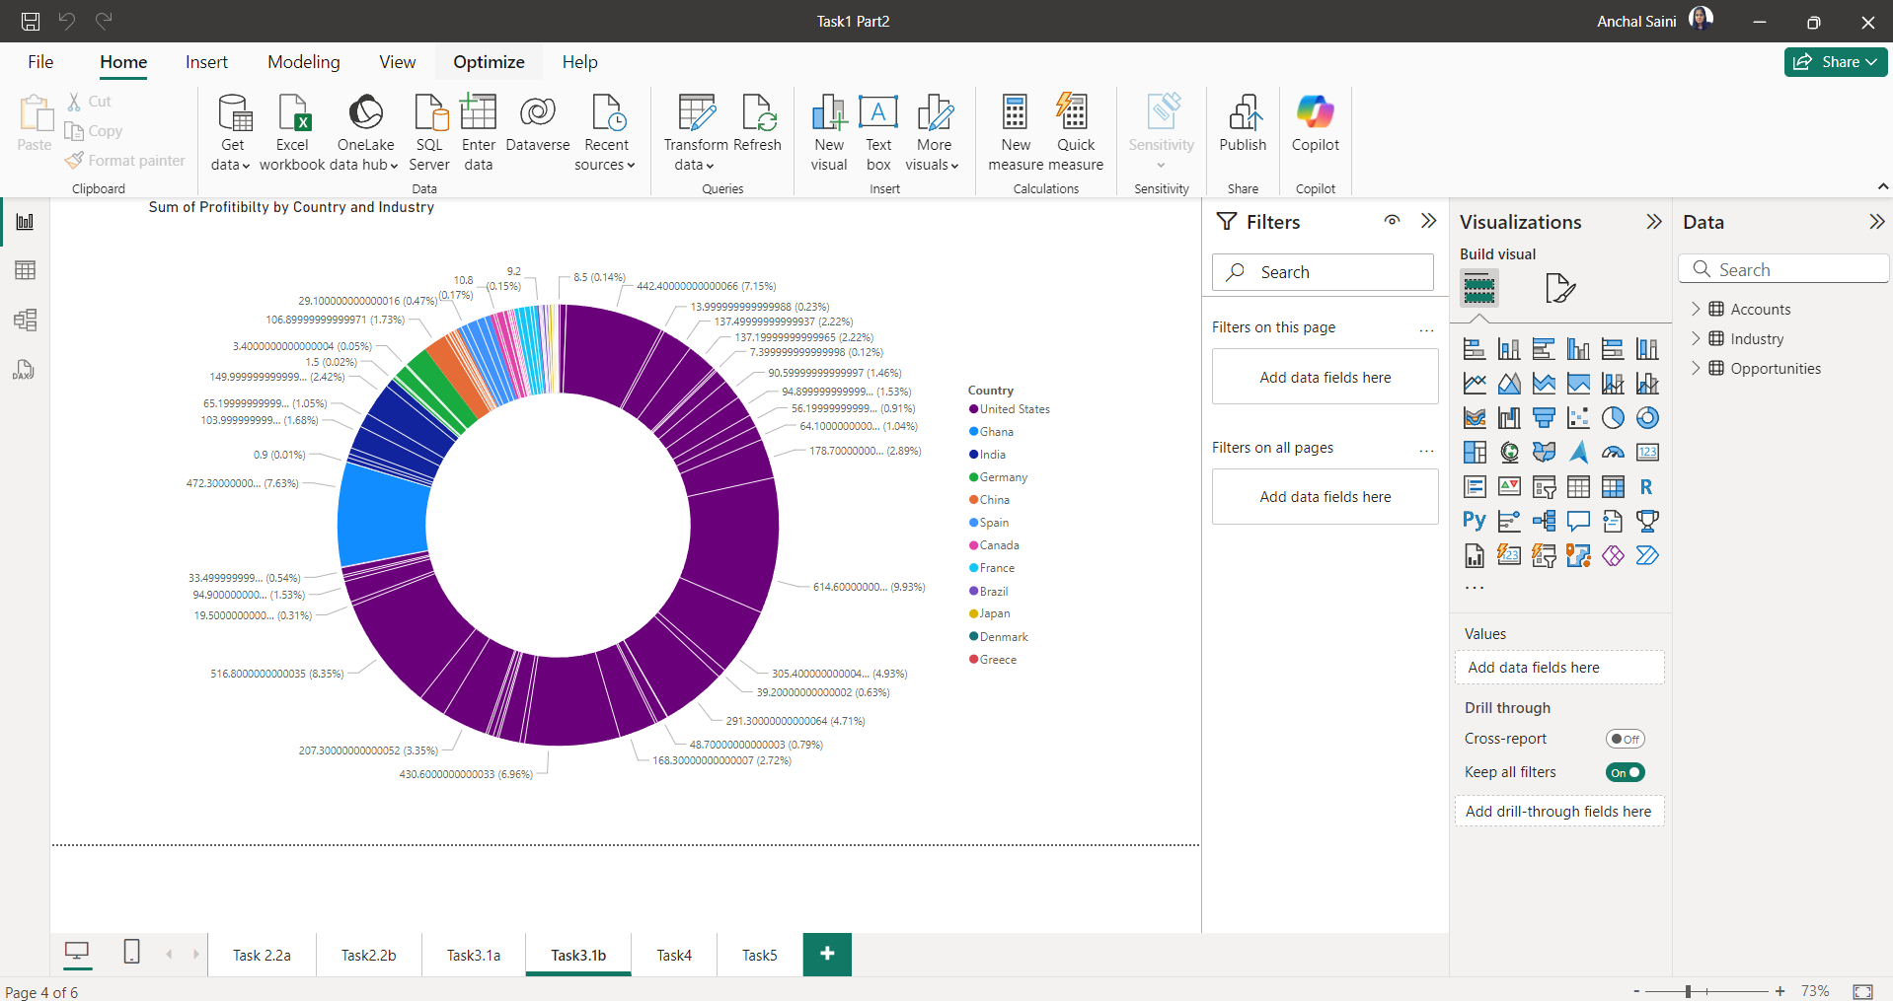
B.The data should be visualised in single or multiple country-wise

TASK2.Q4
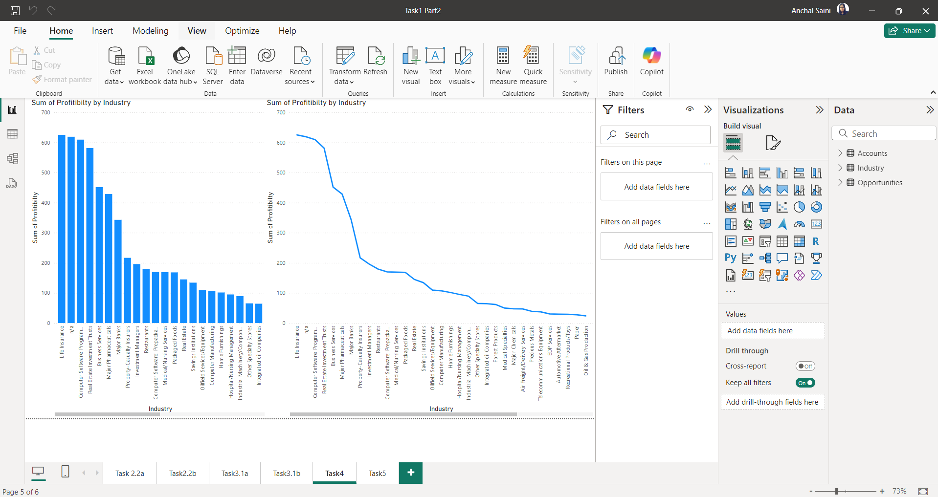
4.Present the data that shows industry-wise profitability trends by taking the Line & stacked column chart from the visualisation section.

TASK2.Q5
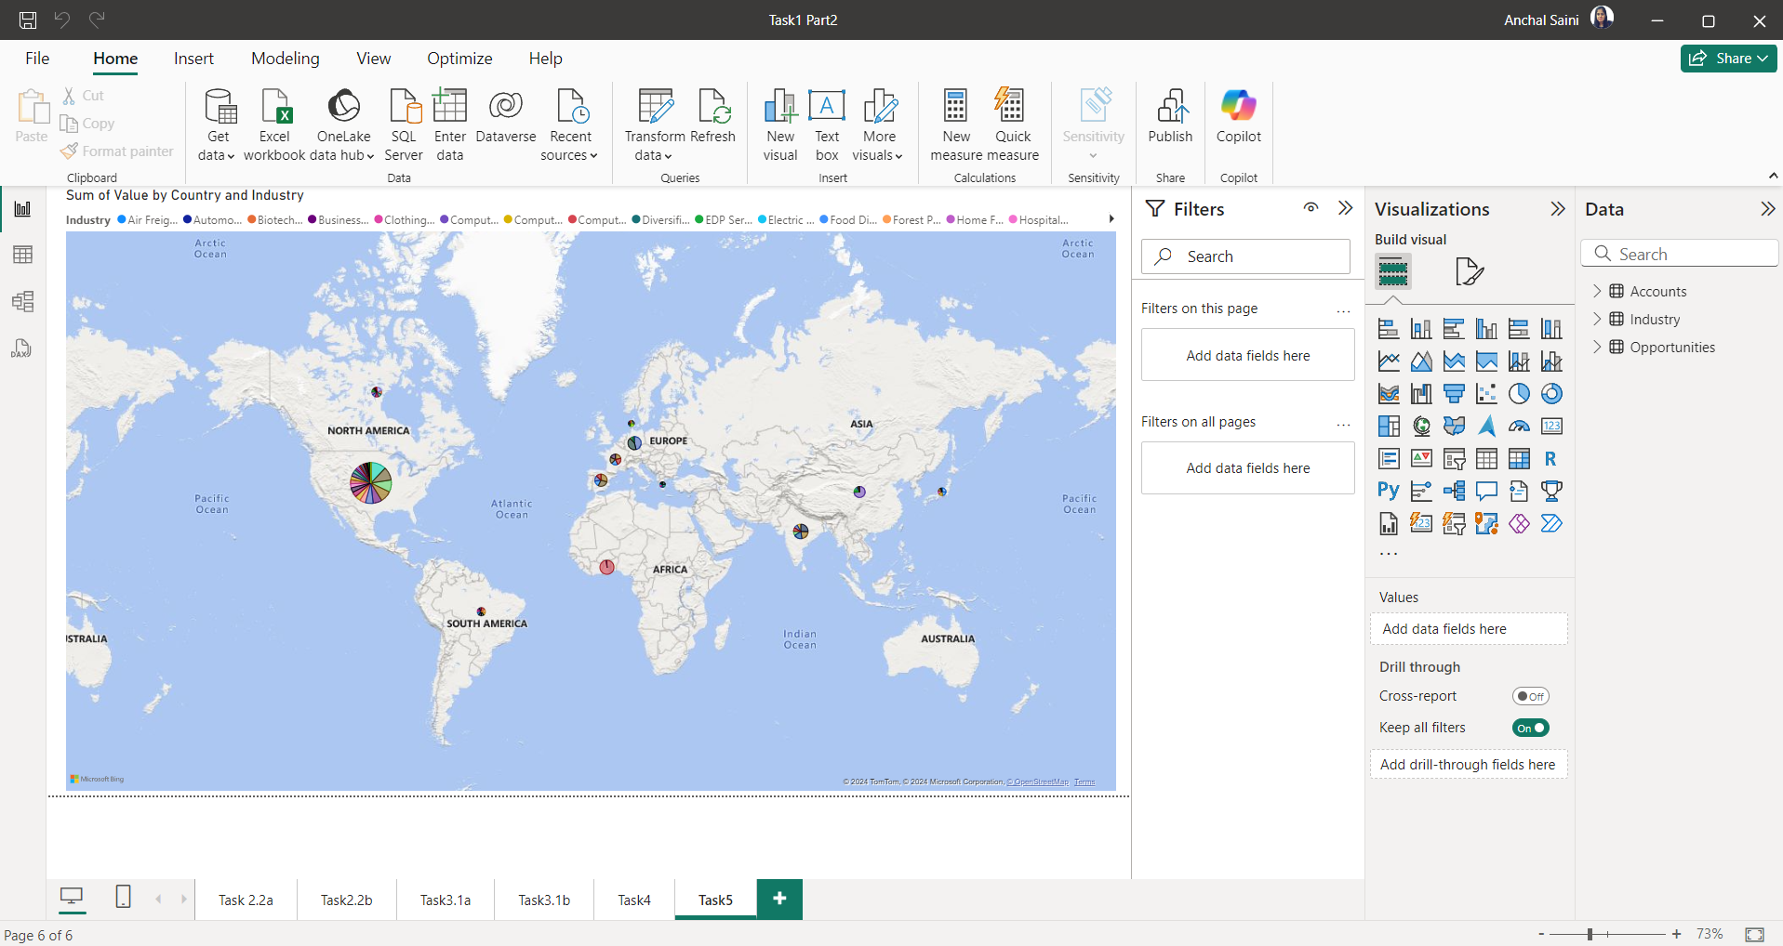
5.Present the data to show country-wise industry market values and industrywise presence by taking the map chart

